results
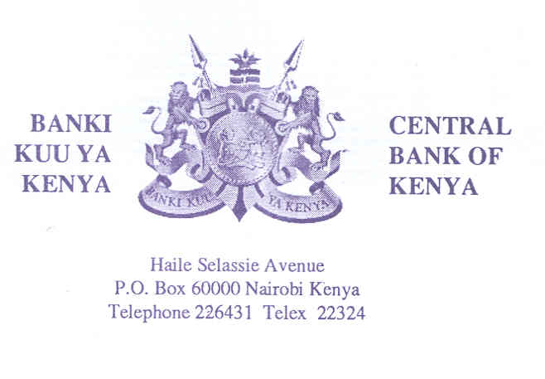

TAP SALE OF TREASURY BOND ISSUE NUMBERS FXD3/2019/5 DATED 23/12/2019
Central Bank of Kenya is pleased to offer eligible investors another opportunity to participate in a Tap Sale of the above Treasury Bond whose details are as in the prospectus issued value date 16/12/2019. The Tap Sale will be offered on a first- come -first- served basis. Other features are as summarised in the table below.

Period of Sale | Tuesday, 17th December 2019 to Thursday,19th December 2019 or upon attainment of quantum, whichever comes first.
Amount on offer | Kes 9.72 Billion.
Pricing | Bids shall be priced at the Average rate of the accepted bids for the Treasury Bond auction value dated 16/12/2019 and adjusted for accrued interest.
Value Date | 23rd December,2019.
Closing date | Thursday,19th December 2019 at 2pm or upon attainment of quantum,whichever comes first.
Auction Results | Investors should obtain details of amounts payable for successful bids from Central Bank of Kenya on Friday, 20th December, 2019.
Payment Deadline | By 2.00 pm on Monday, 23rd December,2019.
Bids Allotment | Bids will be alloted on a first-come-first-served basis.
Average Yield | 11.492 p.a %
Adjusted Average Price(per Kes 100.00) | Kes 100.215
Coupon Rate (%) | 11.492 % p.a

William Nyagaka
Director, Financial Markets
2019-12-13

